Open
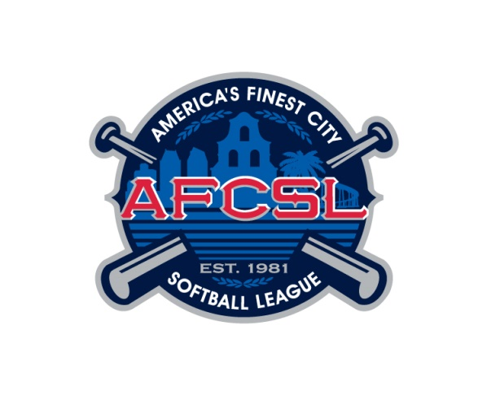

2023 AUTUMN CLASSIC ROSTER
America's Finest City Softball League

DIVISION: |  |  |  |  |  |  |  |  |  | MANAGER (name/phone):
TEAM NAME: |  |  |  |  |  |  |  |  |  | ALT CONTACT (name/phone):
SPONSOR: |  |  |  |  |  |  |  |  |  | Other Info: |  |  |  |  |  |  |  |  |  |  |  |  |  |  |  |  |  |  |  |  | Team Rating: |  |  |  | 0
 | Player Information |  |  |  |  | Existing NAGAAA Rating? | HITTING |  |  |  |  | BATTING AVE |  |  |  | SPEED |  |  | RUNNING |  | FIELDING INFIELD/OUTFIELD |  |  |  |  |  |  |  | THROWING |  |  |  |  |  | Player Rating
 | Legal Last Name | Legal First Name | Date of Birth (MM/DD/YY) | Uniform # | Player Email Address |  | 1 | 2 | 3 | 4 | 5 | 6 | 7 | 8 | 9 | 10 | 11 | 12 | 13 | 14 | 15 | 16 | 17 | 18 | 19 | 20 | 21 | 22 | 23 | 24 | 25 | 26 | 27 | 28
1. |  |  |  |  |  |  |  |  |  |  |  |  |  |  |  |  |  |  |  |  |  |  |  |  |  |  |  |  |  |  |  |  |  |  | 0
2. |  |  |  |  |  |  |  |  |  |  |  |  |  |  |  |  |  |  |  |  |  |  |  |  |  |  |  |  |  |  |  |  |  |  | 0
3. |  |  |  |  |  |  |  |  |  |  |  |  |  |  |  |  |  |  |  |  |  |  |  |  |  |  |  |  |  |  |  |  |  |  | 0
4. |  |  |  |  |  |  |  |  |  |  |  |  |  |  |  |  |  |  |  |  |  |  |  |  |  |  |  |  |  |  |  |  |  |  | 0
5. |  |  |  |  |  |  |  |  |  |  |  |  |  |  |  |  |  |  |  |  |  |  |  |  |  |  |  |  |  |  |  |  |  |  | 0
6. |  |  |  |  |  |  |  |  |  |  |  |  |  |  |  |  |  |  |  |  |  |  |  |  |  |  |  |  |  |  |  |  |  |  | 0
7. |  |  |  |  |  |  |  |  |  |  |  |  |  |  |  |  |  |  |  |  |  |  |  |  |  |  |  |  |  |  |  |  |  |  | 0
8. |  |  |  |  |  |  |  |  |  |  |  |  |  |  |  |  |  |  |  |  |  |  |  |  |  |  |  |  |  |  |  |  |  |  | 0
9. |  |  |  |  |  |  |  |  |  |  |  |  |  |  |  |  |  |  |  |  |  |  |  |  |  |  |  |  |  |  |  |  |  |  | 0
10. |  |  |  |  |  |  |  |  |  |  |  |  |  |  |  |  |  |  |  |  |  |  |  |  |  |  |  |  |  |  |  |  |  |  | 0
11. |  |  |  |  |  |  |  |  |  |  |  |  |  |  |  |  |  |  |  |  |  |  |  |  |  |  |  |  |  |  |  |  |  |  | 0
12. |  |  |  |  |  |  |  |  |  |  |  |  |  |  |  |  |  |  |  |  |  |  |  |  |  |  |  |  |  |  |  |  |  |  | 0
13. |  |  |  |  |  |  |  |  |  |  |  |  |  |  |  |  |  |  |  |  |  |  |  |  |  |  |  |  |  |  |  |  |  |  | 0
14. |  |  |  |  |  |  |  |  |  |  |  |  |  |  |  |  |  |  |  |  |  |  |  |  |  |  |  |  |  |  |  |  |  |  | 0
15. |  |  |  |  |  |  |  |  |  |  |  |  |  |  |  |  |  |  |  |  |  |  |  |  |  |  |  |  |  |  |  |  |  |  | 0
16. |  |  |  |  |  |  |  |  |  |  |  |  |  |  |  |  |  |  |  |  |  |  |  |  |  |  |  |  |  |  |  |  |  |  | 0
17. |  |  |  |  |  |  |  |  |  |  |  |  |  |  |  |  |  |  |  |  |  |  |  |  |  |  |  |  |  |  |  |  |  |  | 0
18. |  |  |  |  |  |  |  |  |  |  |  |  |  |  |  |  |  |  |  |  |  |  |  |  |  |  |  |  |  |  |  |  |  |  | 0
19. |  |  |  |  |  |  |  |  |  |  |  |  |  |  |  |  |  |  |  |  |  |  |  |  |  |  |  |  |  |  |  |  |  |  | 0
20. |  |  |  |  |  |  |  |  |  |  |  |  |  |  |  |  |  |  |  |  |  |  |  |  |  |  |  |  |  |  |  |  |  |  | 0

I certify that this roster is free of omission and falsehood, and that all listed players are eligible members of our local team/league. Return roster form to opencommissioner@afcsl.org.

Required - Manager's signature: ____________________________________________________________________________ |  |  |  |  |  |  |  |  |  |  |  |  |  |  |  |  |  |  | Phone # ______________________________________

The above signed intending to be legally bound, hereby for myself, my heirs, executors, administrators and assigns, waive and release any and all rights and claims for damages I may have against the Autumn Classic 2023 and it's officers, representatives, successors and assigns for any and all injuries suffered by me as a result of my participation in practice, spectatorship, and/or scheduled games played at Poway Sportsplex of Poway, Santee Sportsplex of Santee, Kit Carson Fields in Escondido, and/or Mt. San Miguel of Chula Vista, CA. Included in the protection of this waiver are the cities of Escondido, Poway, Santee, San Diego and Chula Vista. I hereby represent that I am physically fit to participate in the Autumn Classic 2021. I have read and understood with full knowledge the contents of this waiver.

